NEW RANGE FOR 30 MARCH 2022
Sr. No. |  | Product Name | Size (MM) |  |  | CBM | Reference pic | Size (MM) |  |  | CBM
 |  |  | Length | Width | Heigth |  | PIC | Length | Width | Heigth
EP-1 | AK-230 | Dining table (Round top) | 120 | 120 | 75 |  |  | walnur
EP-2 | AK-012 | Console Table | 110 | 36 | 85 |  |  | Walnut Venner
EP-3 | AK-024 | Centre table with glass and webbing made with Mango wood | 52 | 52 | 45 |  |  | Walnut Venner
EP-4 | AK-224 | Side table joy | 50 | 50 | 75 |  |  | Walnut Venner
EP-5 | 19N | Coffe table -Acacia | 50 | 50 | 58 | 0.145 |  | dark walnut
EP-6 | 20N | Coffe table -Acacia | 50 | 50 | 58 | 0.145 |  | dark walnut
EP-7 | AK-213 | Console Glass | 100 | 44 | 90 | 0.396 |  | black whitewash
EP-8 |  | Bhawgwati Design Almirah | 1100 | 330 | 2000 | 726 | 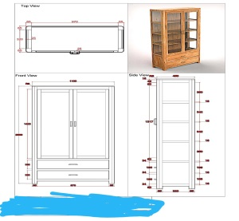 | oak natural
EP-9 | 1N | Stool with pyramid top | 45 | 45 | 52 | 0.1053 | 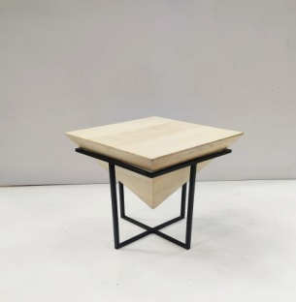 | Walnut Venner
EP-10 | AK-039 | Buffet Mango Cotton | 100 | 45 | 81 | 0.3645 |  | blue whitewash
EP-11 | AK-057 | Chair Mango cotton | 58 | 67 | 74 | 0.287564 |  | white natural mango
EP-12 |  | Bhawgwati Design Canshole | 1750 | 450 | 850 | 669.375 | 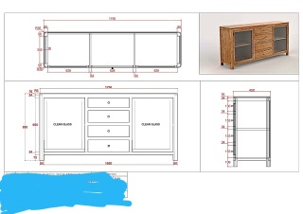 | oak natural
EP-13 |  | Chair With Center Table |  |  |  | 0 | 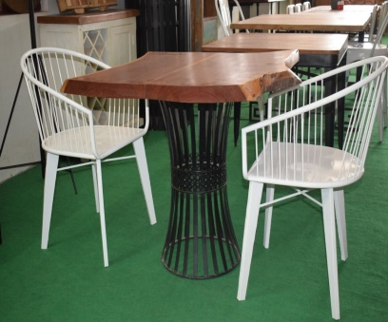 | optional
EP-14 |  | Side table | 500 | 380 | 500 | 95 | 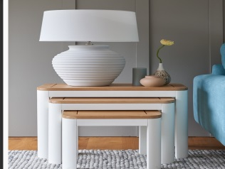 | oak natural
EP-15 |  | Side table with Drawer | 370 | 400 | 390 | 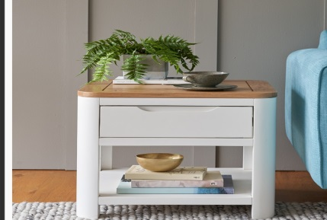 57.72 |  | oak natural
EP-16 |  | Study table | 900 | 400 | 900 | 324 | 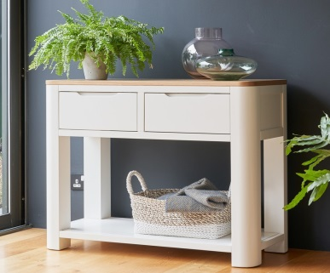 | oak natural
EP-17 |  | side table |  |  |  | 0 |  | oak natural
EP-18 | AK-212 | BAR Cabinet -wheels | 85 | 48 | 95 | 0.3876 |  | Walnut Venner
EP-19 | AK-204A ( O ) | Centre Table | 120 | 60 | 50 | 0.36 |  | oak natural
EP-20 |  | Cansole |  |  |  | 0 |  | waves walnut whitewashed
EP-21 |  | Black Table | 1200 | 450 | 700 | 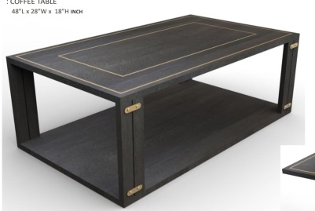 378 |  | black oak
EP-22 |  | Console Table | 1231.5 | 587.5 | 900 | 651.155625 |  |  |  | black oak
EP-23 |  | Side Table | 450 | 450 | 625 | 126.5625 |  | 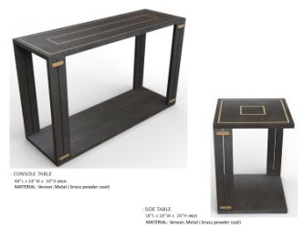
 |  | Bar Table |  |  |  |  | 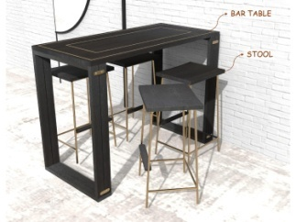 | 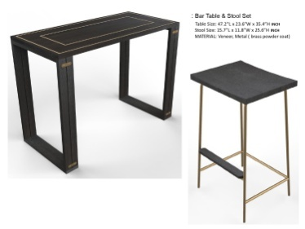 |  |  | black oak
EP-24 |  | MEDIA CANSOLE | 1500 | 400 | 600 | 360
EP-25 |  |  |  |  |  |  | 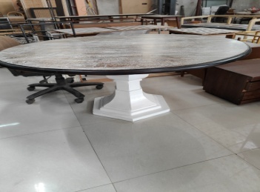 |  |  |  | brown whitewashed

